available
ORDINE MINIMO |  | 1/2 PACK | 1 | 2 | 3 | 3 | 2 | 1 | 1 | 13
 |  | 1 PACK | 2 | 4 | 6 | 6 | 4 | 2 | 2 | 26
Immagini | Articolo | Descrizione | 39 | 40 | 41 | 42 | 43 | 44 | 45 | Totale | WLS | RTL | MADE IN | COMPOSITION
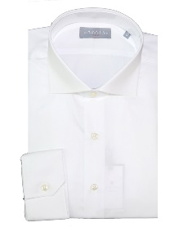 | 384-200501 | CAMICIA MODELLO 384 RF - WHITE |  | 21 | 168 | 163 | 92 |  |  | 444 | 44.00 € | 110.00 € | TN | 100% CO
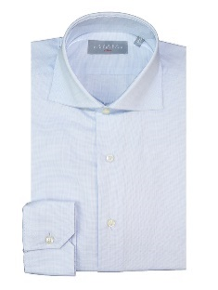 | 384-200581 | CAMICIA MODELLO 384 RF - CELESTE |  | 6 | 66 | 71 | 53 |  |  | 196 | 44.00 € | 110.00 € | TN | 100% CO
 | 384-200801 | CAMICIA MODELLO 384 RF - WHITE |  |  | 38 | 49 | 35 |  |  | 122 | 44.00 € | 110.00 € | TN | 100% CO
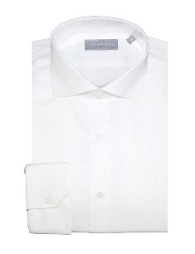 | 384-302201 | CAMICIA MODELLO 384 - WHITE |  | 57 | 173 | 176 | 122 | 35 | 35 | 598 | 44.00 € | 110.00 € | TN | 100% CO
 | 384-401681 | CAMICIA MODELLO 384 - CELESTE |  | 4 | 30 | 27 | 26 |  |  | 87 | 44.00 € | 110.00 € | TN | 100% CO
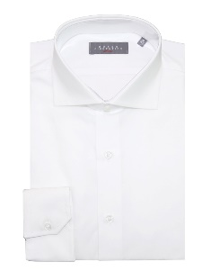 | 384-402001 | CAMICIA MODELLO 384 - WHITE | 10 | 152 | 294 | 297 | 221 | 59 | 75 | 1108 | 44.00 € | 110.00 € | TN | 100% CO
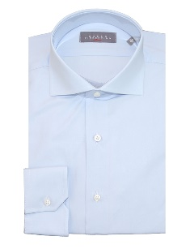 | 384-402081 | CAMICIA MODELLO 384 - CELESTE |  | 10 | 52 | 48 | 42 | 4 | 4 | 160 | 44.00 € | 110.00 € | TN | 100% CO
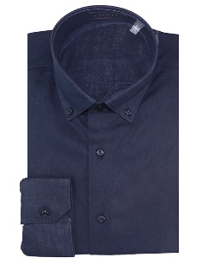 | 396-800085 | SHIRT - DARK NAVY | 8 | 15 | 23 | 21 | 16 | 7 | 6 | 96 | 60.00 € | 150.00 € | TN | 55%LI 45%CO
 | COREANA-800001 | SHIRT - WHITE | 4 | 11 | 21 | 21 | 14 | 7 | 7 | 85 | 60.00 € | 150.00 € | TN | 55%LI 45%CO
 | COREANA-800012 | SHIRT - BEIGE | 4 | 8 | 12 | 12 | 8 | 4 | 4 | 52 | 60.00 € | 150.00 € | TN | 55%LI 45%CO
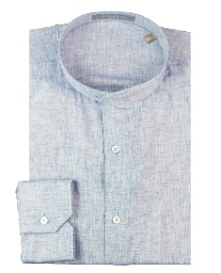 | COREANA-800083 | SHIRT - SKYBLUE | 8 | 19 | 33 | 33 | 22 | 11 | 11 | 137 | 60.00 € | 150.00 € | TN | 55%LI 45%CO
 | COREANA-800081 | SHIRT - SKYBLUE | 12 | 24 | 36 | 36 | 24 | 12 | 12 | 156 | 60.00 € | 150.00 € | TN | 55%LI 45%CO
 | COREANA-800084 | SHIRT - NAVY | 2 | 6 | 12 | 12 | 8 | 4 | 4 | 48 | 60.00 € | 150.00 € | TN | 55%LI 45%CO
 | COREANA-800085 | SHIRT - DARK NAVY | 11 | 22 | 33 | 33 | 22 | 11 | 11 | 143 | 60.00 € | 150.00 € | TN | 55%LI 45%CO
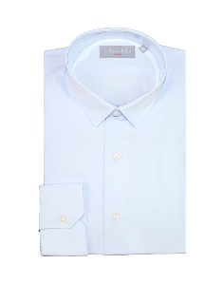 | GANI-200781 | CAMICIA MODELLO GANI RF - CELESTE | 11 | 24 | 45 | 36 | 15 | 8 | 10 | 149 | 44.00 € | 110.00 € | TN | 100% CO
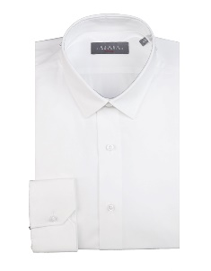 | GANI-302101 | CAMICIA MODELLO GANI - WHITE | 44 | 76 | 97 | 100 | 70 | 44 | 41 | 472 | 44.00 € | 110.00 € | TN | 97%CO 3%EA
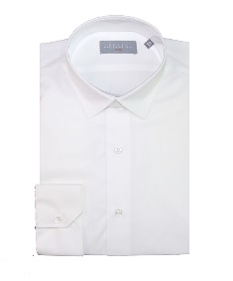 | GANI-302201 | CAMICIA MODELLO GANI - WHITE | 102 | 155 | 234 | 235 | 158 | 93 | 100 | 1077 | 44.00 € | 110.00 € | TN | 100% CO
 | GANI-800001 | SHIRT - WHITE | 20 | 39 | 60 | 58 | 41 | 20 | 20 | 258 | 60.00 € | 150.00 € | TN | 55%LI 45%CO
 | GANI-800012 | BEIGE | 13 | 26 | 41 | 41 | 28 | 13 | 14 | 176 | 60.00 € | 150.00 € | TN | 55%LI 45%CO
 | GANI-800018 | BROWN |  | 2 | 8 | 9 | 5 | 2 | 2 | 28 | 60.00 € | 150.00 € | TN | 55%LI 45%CO
 | GANI-800081 | SHIRT - SKYBLUE | 25 | 53 | 86 | 81 | 57 | 29 | 27 | 358 | 60.00 € | 150.00 € | TN | 55%LI 45%CO
 | GANI-800083 | SHIRT - SKYBLUE | 28 | 55 | 86 | 85 | 57 | 28 | 28 | 367 | 60.00 € | 150.00 € | TN | 55%LI 45%CO
 | GANI-800084 | SHIRT - BLU | 10 | 20 | 30 | 29 | 21 | 10 | 10 | 130 | 60.00 € | 150.00 € | TN | 55%LI 45%CO
 | GANI-800085 | SHIRT - DARK NAVY | 34 | 69 | 103 | 105 | 69 | 34 | 36 | 450 | 60.00 € | 150.00 € | TN | 55%LI 45%CO
 | RF-384-110381 | SHIRT - SKYBLUE | 12 | 24 | 36 | 36 | 24 | 12 | 12 | 156 | 44.00 € | 110.00 € | TN | 60%CO 40%PL
 | RF-384-110581 | SHIRT - SKYBLUE | 25 | 50 | 75 | 75 | 50 | 25 | 25 | 325 | 44.00 € | 110.00 € | TN | 100% CO
 | RF-384-110681 | SHIRT - SKYBLUE | 25 | 50 | 76 | 76 | 50 | 25 | 25 | 327 | 44.00 € | 110.00 € | TN | 100% CO
 | RF-384-110783 | SHIRT - SKYBLUE | 25 | 49 | 74 | 76 | 51 | 24 | 25 | 324 | 44.00 € | 110.00 € | TN | 100% CO
 | RF-384-110881 | SHIRT - SKYBLUE | 26 | 49 | 74 | 75 | 51 | 25 | 25 | 325 | 44.00 € | 110.00 € | TN | 100% CO
 | RF-384-110981 | SHIRT - SKYBLUE | 26 | 50 | 73 | 75 | 50 | 24 | 25 | 323 | 44.00 € | 110.00 € | TN | 100% CO
 | RF-384-111183 | SHIRT - SKYBLUE | 15 | 6 | 69 | 45 | 30 | 15 | 15 | 195 | 44.00 € | 110.00 € | TN | 100% CO
 | RF384-702681 | SHIRT - SKYBLUE |  | 18 | 50 | 50 | 38 | 8 | 7 | 171 | 44.00 € | 110.00 € | TN | 100% CO
 | RF396-402685 | SHIRT - NAVY | 9 | 18 | 27 | 27 | 18 | 9 | 9 | 117 | 44.00 € | 110.00 € | TN | 100% CO
 | RF396-402752 | SHIRT - RED | 6 | 12 | 18 | 18 | 12 | 6 | 6 | 78 | 44.00 € | 110.00 € | TN | 100% CO
 | RF396-700852 | SHIRT - RED | 31 | 61 | 93 | 92 | 62 | 31 | 31 | 401 | 60.00 € | 150.00 € | TN | 55%LI 45%CO
 | RF396-700924 | SHIRT - BEIGE | 24 | 48 | 72 | 72 | 48 | 24 | 24 | 312 | 60.00 € | 150.00 € | TN | 55%LI 45%CO
 | RF396-701020 | SHIRT - BEIGE | 11 | 22 | 33 | 33 | 20 | 11 | 11 | 141 | 60.00 € | 150.00 € | TN | 43%CO57%LI
 | RF396-701180 | SHIRT - BLU | 25 | 50 | 75 | 75 | 50 | 25 | 25 | 325 | 44.00 € | 110.00 € | TN | 100% CO
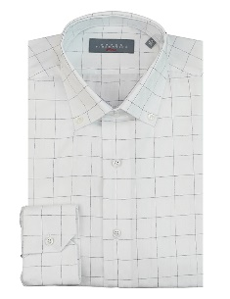 | RF396-701211 | SHIRT - WHITE Q | 11 | 22 | 33 | 33 | 22 | 11 | 11 | 143 | 44.00 € | 110.00 € | TN | 100% CO
 | RF396-701752 | SHIRT - RED | 25 | 53 | 79 | 79 | 53 | 25 | 25 | 339 | 44.00 € | 110.00 € | TN | 100% CO
 | RF396-701832 | SHIRT - GREEN | 14 | 30 | 45 | 45 | 30 | 14 | 14 | 192 | 44.00 € | 110.00 € | TN | 100% CO
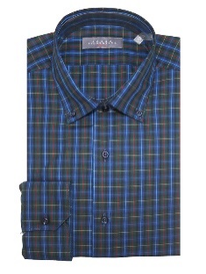 | RF396-701986 | SHIRT - BLU | 30 | 61 | 87 | 87 | 61 | 30 | 30 | 386 | 44.00 € | 110.00 € | TN | 100% CO
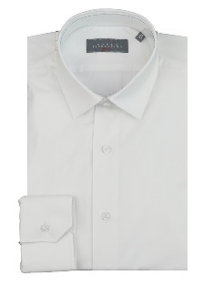 | RFGANI-400001 | SHIRT - WHITE | 6 | 69 | 104 | 104 | 63 | 25 | 47 | 418 | 44.00 € | 110.00 € | TN | 97%CO3%EA
 | RFGANI-400081 | SHIRT - SKYBLUE | 16 | 32 | 48 | 48 | 32 | 16 | 16 | 208 | 44.00 € | 110.00 € | TN | 97%CO3%EA
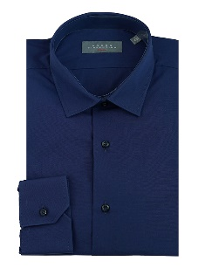 | RFGANI-400185 | SHIRT - NAVY | 10 | 24 | 38 | 40 | 23 | 9 | 9 | 153 | 44.00 € | 110.00 € | TN | 100% CO
 | RFGANI-401683 | SHIRT - SKYBLUE | 20 | 40 | 60 | 60 | 40 | 18 | 20 | 258 | 44.00 € | 110.00 € | TN | 100% CO
 | RFGANI-403894 | SHIRT - GREY | 11 | 22 | 34 | 33 | 22 | 10 | 11 | 143 | 44.00 € | 110.00 € | TN | 100% CO
 | RFGANI-700381 | SHIRT - SKYBLUE | 20 | 40 | 60 | 61 | 39 | 20 | 20 | 260 | 44.00 € | 110.00 € | TN | 100% CO
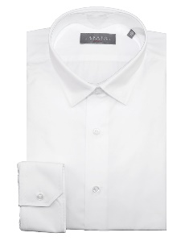 | RFGANI-700601 | SHIRT - WHITE | 13 | 26 | 39 | 39 | 27 | 12 | 11 | 167 | 44.00 € | 110.00 € | TN | 100% CO
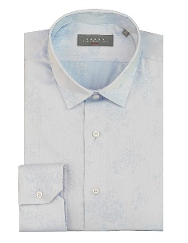 | RFGANI-701381 | SHIRT - SKYBLUE | 11 | 22 | 33 | 33 | 22 | 11 | 11 | 143 | 44.00 € | 110.00 € | TN | 97%CO3%EA
 | RFGANI-702483 | SHIRT - SKYBLUE | 20 | 41 | 60 | 59 | 40 | 20 | 20 | 260 | 44.00 € | 110.00 € | TN | 100% CO
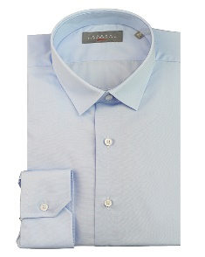 | RFGANI-900081 | SHIRT - CELESTE | 16 | 26 | 39 | 39 | 26 | 15 | 17 | 178 | 44.00 € | 110.00 € | TN | 100% CO
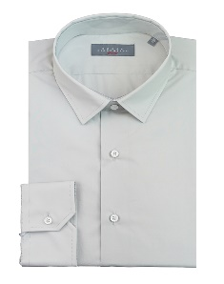 | RFGANI-900190 | SHIRT - LIGHT | 20 | 40 | 60 | 60 | 40 | 20 | 20 | 260 | 44.00 € | 110.00 € | TN | 100% CO
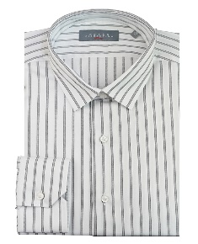 | RFGANI-900214 | SHIRT - WHITE R | 15 | 30 | 45 | 45 | 30 | 15 | 15 | 195 | 44.00 € | 110.00 € | TN | 76%CO24%PL
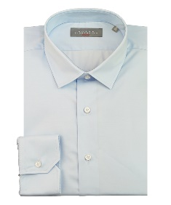 | RFGANI-900381 | SHIRT - CELESTE | 20 | 39 | 61 | 61 | 41 | 20 | 19 | 261 | 44.00 € | 110.00 € | TN | 96%CO4%EA
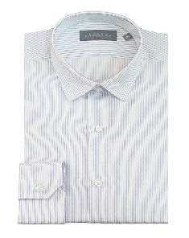 | RFGANI-900481 | SHIRT - CELESTE | 16 | 33 | 50 | 50 | 33 | 15 | 15 | 212 | 44.00 € | 110.00 € | TN | 100% CO
 | RFGANI-900565 | SHIRT - LILLA | 14 | 29 | 45 | 45 | 29 | 13 | 13 | 188 | 44.00 € | 110.00 € | TN | 100% CO
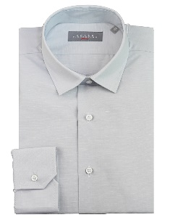 | RFGANI-901090 | SHIRT - LIGHT | 20 | 40 | 59 | 60 | 41 | 20 | 20 | 260 | 44.00 € | 110.00 € | TN | 54%CO30%LI16%LY
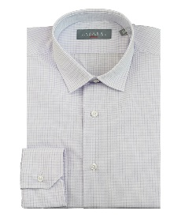 | RFGANI-901465 | SHIRT - LILLA | 20 | 40 | 60 | 60 | 40 | 20 | 20 | 260 | 44.00 € | 110.00 € | TN | 60%CO40%PL
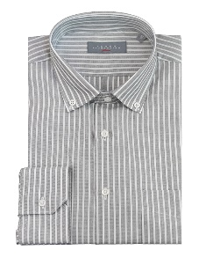 | RFRTC396-403194 | SHIRT - GREY |  |  | 20 | 20 | 18 |  |  | 58 | 44.00 € | 110.00 € | TN | 100%CO
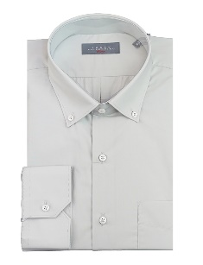 | RFRTC396-900190 | SHIRT - LIGHT | 32 | 64 | 98 | 98 | 64 | 32 | 32 | 420 | 44.00 € | 110.00 € | TN | 100%CO
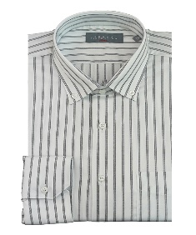 | RFRTC396-900214 | SHIRT - WHITE R | 25 | 50 | 71 | 71 | 50 | 25 | 25 | 317 | 44.00 € | 110.00 € | TN | 76%CO24%PL
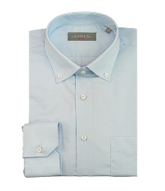 | RFRTC396-900381 | SHIRT - CELESTE | 9 | 28 | 56 | 57 | 43 | 16 | 16 | 225 | 44.00 € | 110.00 € | TN | 96%CO4%EA
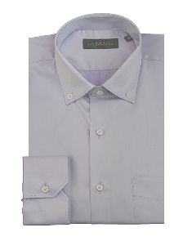 | RFRTC396-900565 | SHIRT - LILLA | 10 | 20 | 27 | 27 | 20 | 10 | 10 | 124 | 44.00 € | 110.00 € | TN | 100%CO
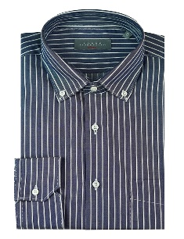 | RFRTC396-900685 | SHIRT - NAVY | 2 | 4 | 8 | 8 | 4 | 2 | 2 | 30 | 44.00 € | 110.00 € | TN | 60%CO20%PL
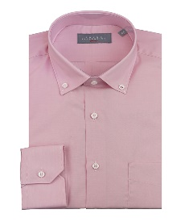 | RFRTC396-900760 | SHIRT - ROSA | 12 | 24 | 37 | 37 | 24 | 12 | 12 | 158 | 44.00 € | 110.00 € | TN | 100%CO
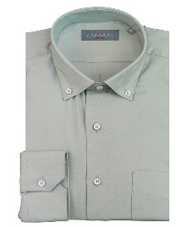 | RFRTC396-900932 | SHIRT - GREEN | 40 | 80 | 119 | 120 | 80 | 40 | 40 | 519 | 44.00 € | 110.00 € | TN | 48%PL48%VI 4%EA
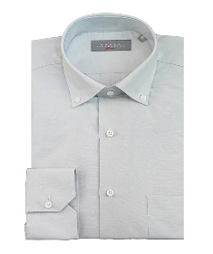 | RFRTC396-901090 | SHIRT - LIGHT | 25 | 43 | 62 | 64 | 42 | 26 | 26 | 288 | 44.00 € | 110.00 € | TN | 54%CO30%LI16%LY
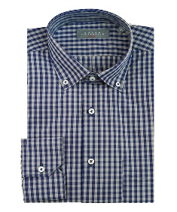 | RFRTC396-901286 | SHIRT - BLU | 14 | 18 | 32 | 32 | 8 | 14 | 14 | 132 | 44.00 € | 110.00 € | TN | 100%CO
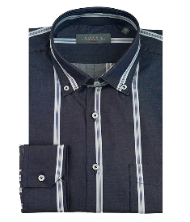 | RFRTC396-901385 | SHIRT - NAVY | 16 | 20 | 30 | 29 | 10 | 15 | 15 | 135 | 44.00 € | 110.00 € | TN | 100%CO
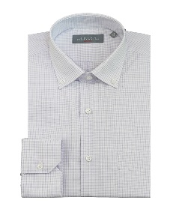 | RFRTC396-901465 | SHIRT - LILLA | 32 | 63 | 97 | 96 | 64 | 33 | 33 | 418 | 44.00 € | 110.00 € | TN | 60%CO40%PL
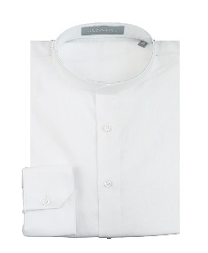 | RTC396-800001 | SHIRT - WHITE | 57 | 115 | 185 | 183 | 115 | 57 | 57 | 769 | 60.00 € | 150.00 € | TN | 55%LI 45%CO
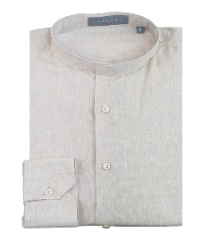 | RTC396-800012 | SHIRT - BEIGE | 29 | 55 | 99 | 98 | 56 | 28 | 28 | 393 | 60.00 € | 150.00 € | TN | 55%LI 45%CO
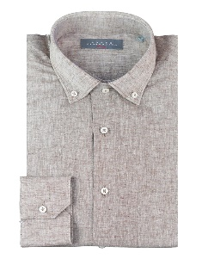 | RTC396-800018 | SHIRT - BROWN | 6 | 7 | 18 | 17 | 7 | 6 | 6 | 67 | 60.00 € | 150.00 € | TN | 55%LI 45%CO
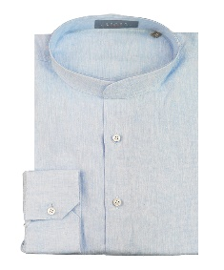 | RTC396-800081 | SHIRT - SKYBLUE | 75 | 151 | 229 | 231 | 151 | 75 | 75 | 987 | 60.00 € | 150.00 € | TN | 55%LI 45%CO
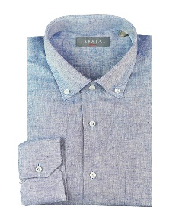 | RTC396-800083 | SHIRT - SKYBLUE | 16 | 32 | 50 | 49 | 32 | 15 | 17 | 211 | 60.00 € | 150.00 € | TN | 55%LI 45%CO
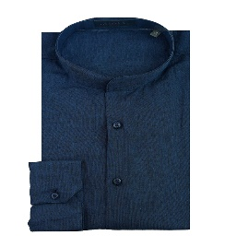 | RTC396-800084 | SHIRT - BLU | 29 | 60 | 87 | 88 | 60 | 29 | 29 | 382 | 60.00 € | 150.00 € | TN | 55%LI 45%CO
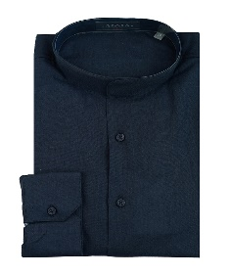 | RTC396-800085 | SHIRT - NAVY | 42 | 87 | 129 | 126 | 85 | 40 | 40 | 549 | 60.00 € | 150.00 € | TN | 55%LI 45%CO
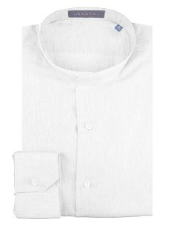 | SERAFINO-800001 | WHITE | 8 | 16 | 24 | 24 | 16 | 8 | 8 | 104 | 60.00 € | 150.00 € | TN | 55%LI 45%CO
 | SERAFINO-800012 | BEIGE | 4 | 8 | 12 | 12 | 8 | 4 | 3 | 51 | 60.00 € | 150.00 € | TN | 55%LI 45%CO
 | SERAFINO-800018 | BROWN | 4 | 8 | 12 | 12 | 8 | 4 | 4 | 52 | 60.00 € | 150.00 € | TN | 55%LI 45%CO
 | SERAFINO-800081 | SKYBLUE | 8 | 16 | 24 | 24 | 17 | 8 | 8 | 105 | 60.00 € | 150.00 € | TN | 55%LI 45%CO
 | SERAFINO-800084 | NAVY | 4 | 8 | 12 | 12 | 8 | 4 | 4 | 52 | 60.00 € | 150.00 € | TN | 55%LI 45%CO
 | SERAFINO-800085 | DARK NAVY | 8 | 16 | 23 | 24 | 16 | 9 | 8 | 104 | 60.00 € | 150.00 € | TN | 55%LI 45%CO
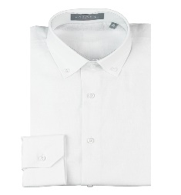 | SLIM396-800001 | SHIRT - WHITE | 14 | 29 | 41 | 42 | 29 | 14 | 13 | 182 | 60.00 € | 150.00 € | TN | 55%LI 45%CO
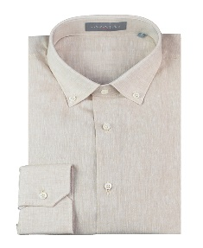 | SLIM396-800012 | SHIRT - BEIGE | 7 | 15 | 21 | 21 | 15 | 7 | 7 | 93 | 60.00 € | 150.00 € | TN | 55%LI 45%CO
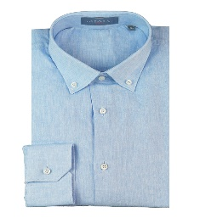 | SLIM396-800081 | SHIRT - SKYBLUE | 21 | 41 | 60 | 60 | 40 | 20 | 19 | 261 | 60.00 € | 150.00 € | TN | 55%LI 45%CO
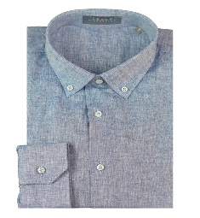 | SLIM396-800083 | SHIRT - SKYBLUE | 60 | 123 | 177 | 180 | 120 | 59 | 60 | 779 | 60.00 € | 150.00 € | TN | 55%LI 45%CO
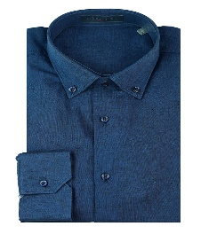 | SLIM396-800084 | SHIRT - BLU | 7 | 15 | 21 | 21 | 15 | 7 | 7 | 93 | 60.00 € | 150.00 € | TN | 55%LI 45%CO
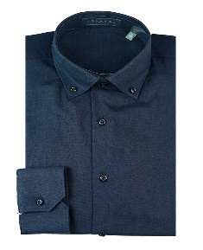 | SLIM396-800085 | SHIRT - DARK NAVY | 50 | 100 | 145 | 145 | 101 | 49 | 47 | 637 | 60.00 € | 150.00 € | TN | 55%LI 45%CO
 |  | Totale CAMICIA M/L |  |  |  |  |  |  |  | 23996

 | I.T-SHIRT | T-SHIRT
Immagini | Articolo | Descrizione | S | M | L | XL | XXL |  |  | Totale | WLS | RTL | MADE IN | COMPOSITION
 | TRF10701 | T-SHIRT - WHITE | 202 | 400 | 370 | 404 | 199 |  |  | 1575 | 26.00 € | 65.00 € | TR | 100%CO | 38
 | TRF10732 | T-SHIRT - VERDE MILITARE | 97 | 193 | 199 | 195 | 99 |  |  | 783 | 26.00 € | 65.00 € | TR | 100%CO
 | TRF10785 | T-SHIRT - NAVY | 180 | 377 | 387 | 381 | 190 |  |  | 1515 | 26.00 € | 65.00 € | TR | 100%CO
 | TRF10794 | T-SHIRT - GRIGIO | 60 | 125 | 125 | 119 | 57 |  |  | 486 | 26.00 € | 65.00 € | TR | 100%CO
 | TRF10799 | T-SHIRT - NERO | 87 | 201 | 198 | 199 | 90 |  |  | 775 | 26.00 € | 65.00 € | TR | 100%CO
 | TRF10901 | T-SHIRT - WHITE | 200 | 403 | 393 | 409 | 213 |  |  | 1618 | 26.00 € | 65.00 € | TR | 100%CO
 | TRF10932 | T-SHIRT - VERDE MILITARE | 63 | 127 | 127 | 123 | 65 |  |  | 505 | 26.00 € | 65.00 € | TR | 100%CO
 | TRF10985 | T-SHIRT - NAVY | 202 | 400 | 406 | 414 | 190 |  |  | 1612 | 26.00 € | 65.00 € | TR | 100%CO
 | TRF10994 | T-SHIRT - GRIGIO | 64 | 122 | 124 | 144 | 45 |  |  | 499 | 26.00 € | 65.00 € | TR | 100%CO
 | TRF10999 | T-SHIRT - NERO | 105 | 205 | 202 | 195 | 109 |  |  | 816 | 26.00 € | 65.00 € | TR | 100%CO
 | TRF11001 | T-SHIRT - WHITE | 199 | 437 | 360 | 417 | 197 |  |  | 1610 | 26.00 € | 65.00 € | TR | 100%CO
 | TRF11032 | T-SHIRT - VERDE MILITARE | 62 | 125 | 126 | 128 | 63 |  |  | 504 | 26.00 € | 65.00 € | TR | 100%CO
 | TRF11085 | T-SHIRT - NAVY | 203 | 410 | 406 | 386 | 217 |  |  | 1622 | 26.00 € | 65.00 € | TR | 100%CO
 | TRF11094 | T-SHIRT - GRIGIO | 65 | 125 | 126 | 127 | 56 |  |  | 499 | 26.00 € | 65.00 € | TR | 100%CO
 | TRF11099 | T-SHIRT - NERO | 101 | 190 | 198 | 201 | 102 |  |  | 792 | 26.00 € | 65.00 € | TR | 100%CO
 | TRF11101 | T-SHIRT - WHITE | 194 | 401 | 404 | 390 | 206 |  |  | 1595 | 26.00 € | 65.00 € | TR | 100%CO
 | TRF11132 | T-SHIRT - VERDE MILITARE | 62 | 128 | 129 | 124 | 65 |  |  | 508 | 26.00 € | 65.00 € | TR | 100%CO
 | TRF11185 | T-SHIRT - NAVY | 196 | 399 | 404 | 403 | 205 |  |  | 1607 | 26.00 € | 65.00 € | TR | 100%CO
 | TRF11194 | T-SHIRT - GRIGIO | 54 | 110 | 113 | 128 | 60 |  |  | 465 | 26.00 € | 65.00 € | TR | 100%CO
 | TRF11199 | T-SHIRT - NERO | 103 | 202 | 203 | 199 | 94 |  |  | 801 | 26.00 € | 65.00 € | TR | 100%CO
 | TRF11301 | T-SHIRT - WHITE | 177 | 380 | 400 | 387 | 206 |  |  | 1550 | 26.00 € | 65.00 € | TR | 100%CO
 | TRF11332 | T-SHIRT - VERDE MILITARE | 62 | 130 | 137 | 126 | 67 |  |  | 522 | 26.00 € | 65.00 € | TR | 100%CO
 | TRF11385 | T-SHIRT - NAVY | 210 | 401 | 410 | 423 | 180 |  |  | 1624 | 26.00 € | 65.00 € | TR | 100%CO
 | TRF11394 | T-SHIRT - GRIGIO | 64 | 127 | 130 | 130 | 65 |  |  | 516 | 26.00 € | 65.00 € | TR | 100%CO
 | TRF11399 | T-SHIRT - NERO | 86 | 179 | 189 | 146 | 83 |  |  | 683 | 26.00 € | 65.00 € | TR | 100%CO
 |  | Totale T-SHIRT |  |  |  |  |  |  |  | 25082

